Me UNO Sheild pins
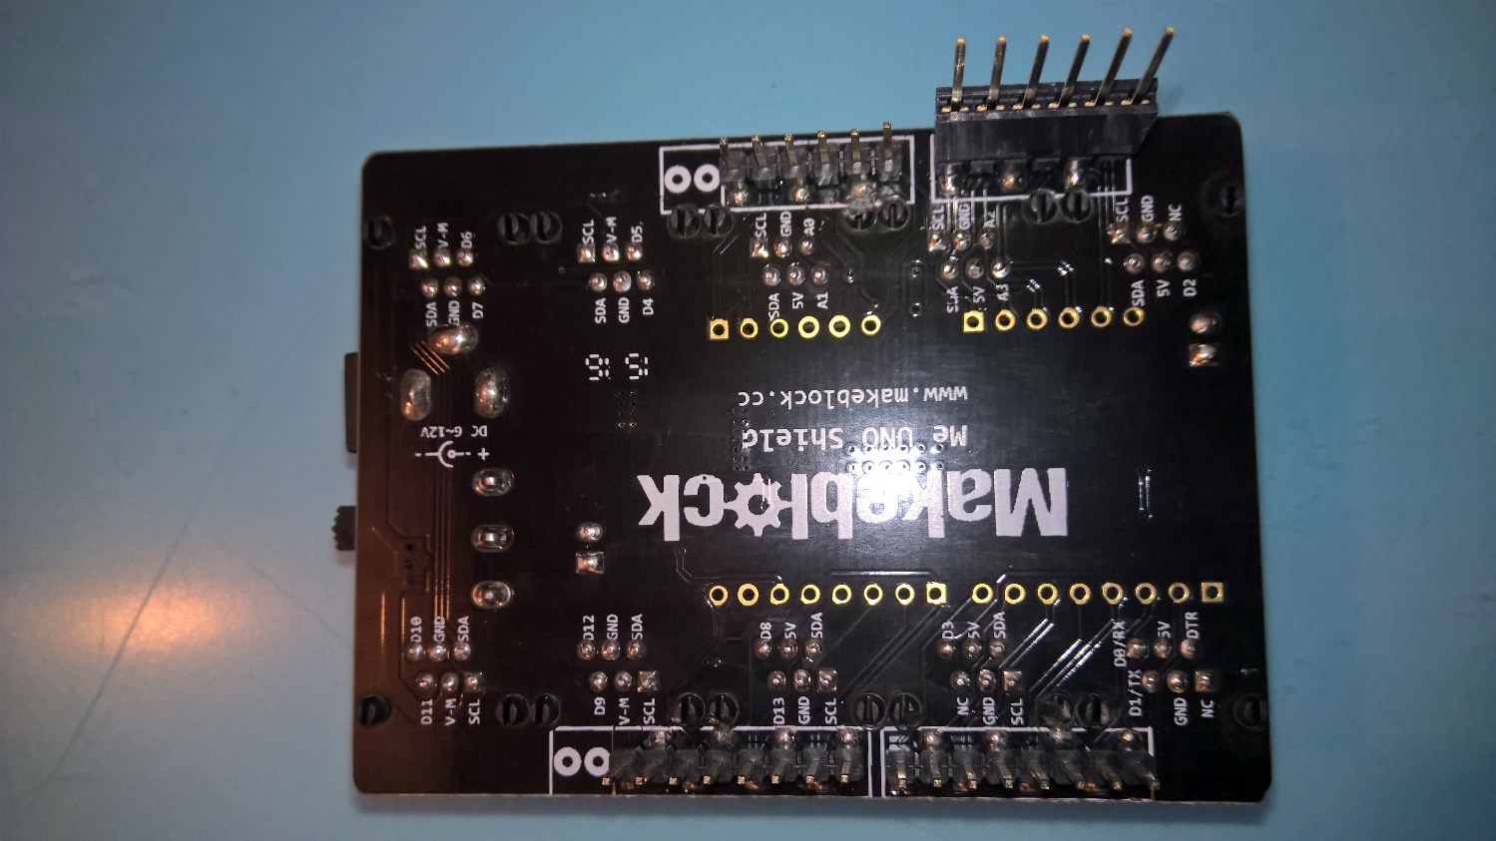
Me Uno Sheild

Port | Slot1 | Slot2 | Interupt. | PWM | 5VDC | 12VDC
1 | D11 | D10 |  | D10, D11 |  | Yes
2 | D9 | D12 |  | D9 |  | Yes
3 | D13 | D8 |  |  | Yes
4 | NC | D3 | D3 | D3 | Yes
5 | D1 | D0 |  |  | Yes
6 | NC | D2 | D2 |  | Yes
7 | A2 | A3 |  |  | Yes
8 | A0 | A1 |  |  | Yes
9 | D5 | D4 |  | D5 |  | Yes
10 | D6 | D7 |  | D6 |  | Yes

